Sheet1
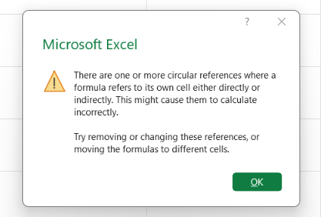
A | B | C
90 | 5% | 4.5

0 | 5% | 4.5

